FSC Comments
 | Comments
1) | The sudden jump in prices is set to hurt both owner operators and smaller truckers who must cover the extra fuel cost on the spot and wait for surcharges to be reimbursed with less cash flow than the larger truckers
2) | Rising diesel costs cut into trucking margins through their post-delivery, empty-cargo “deadhead” miles and other component costs, further driving up rates
3) | Procurement has gone back to the once a month model for FSC updates

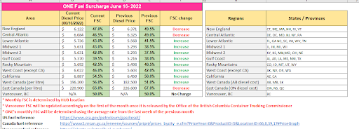
 | If ran today, this would be the change in FSC

